Sheet1
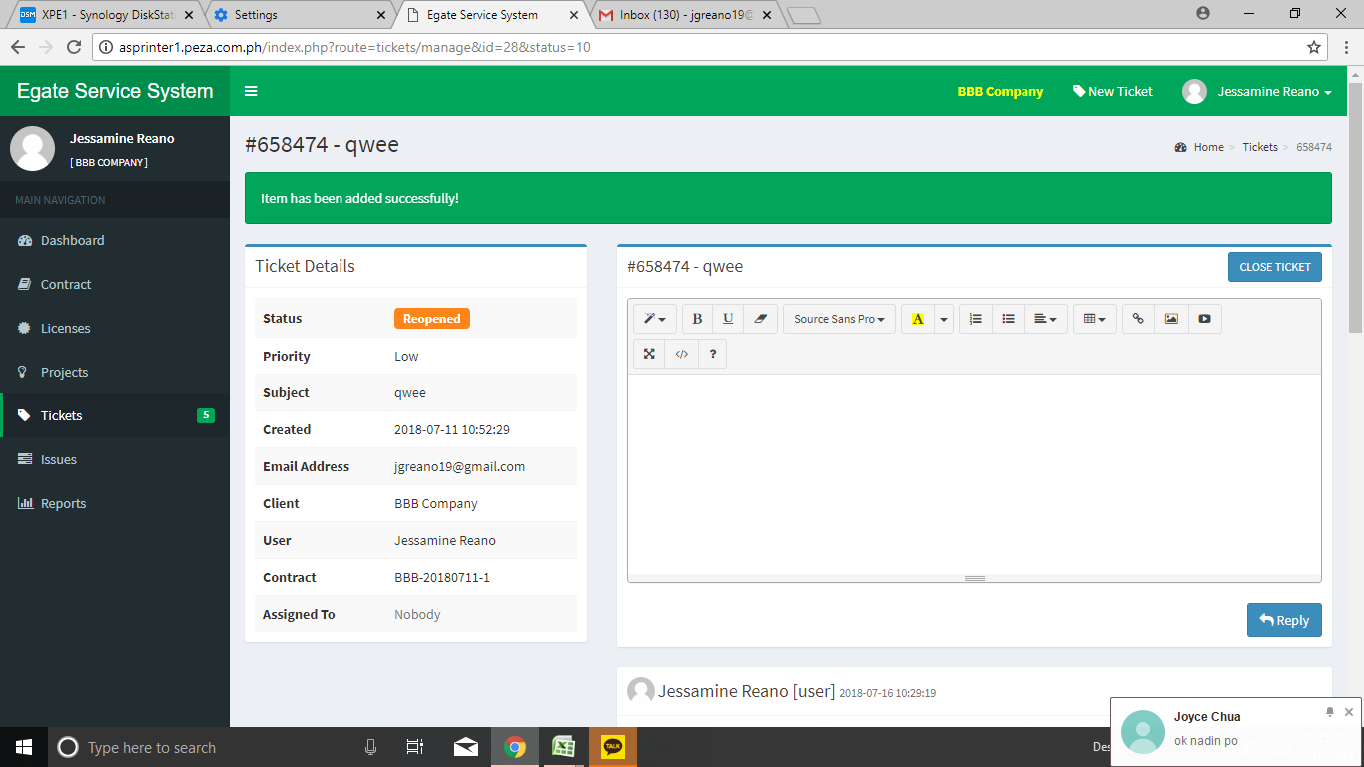
Step 1 Login as a technician
Step 2 click the ticket

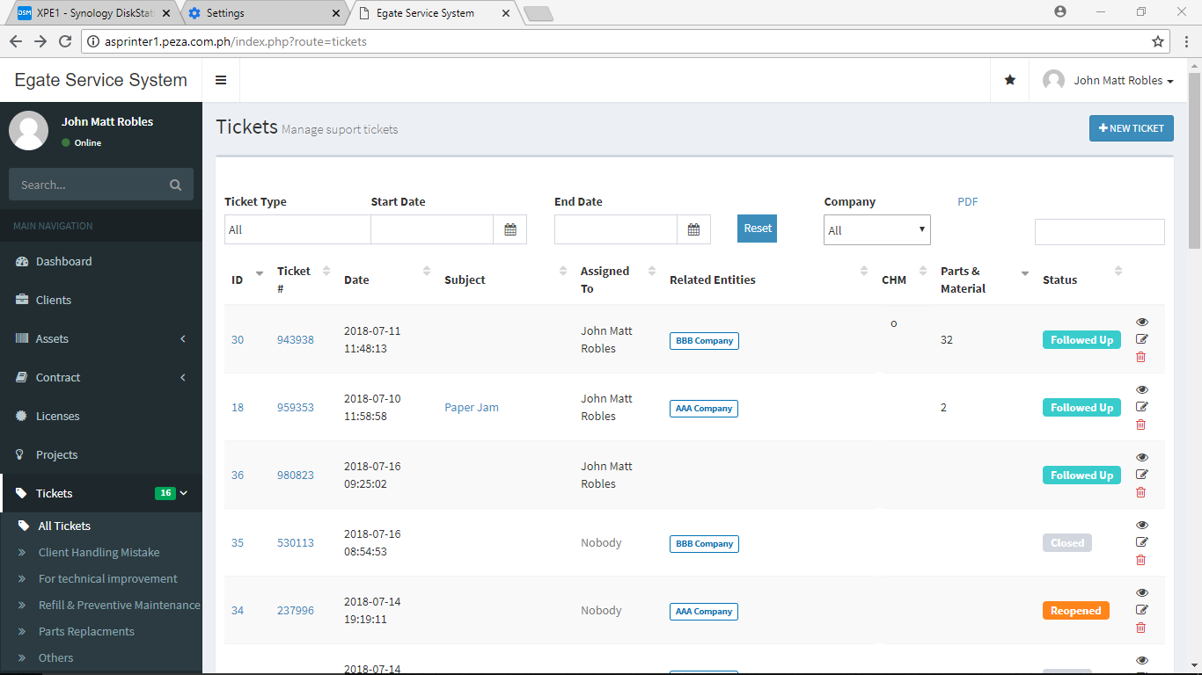

error was the reply command error still pop up in upper parts of tickets

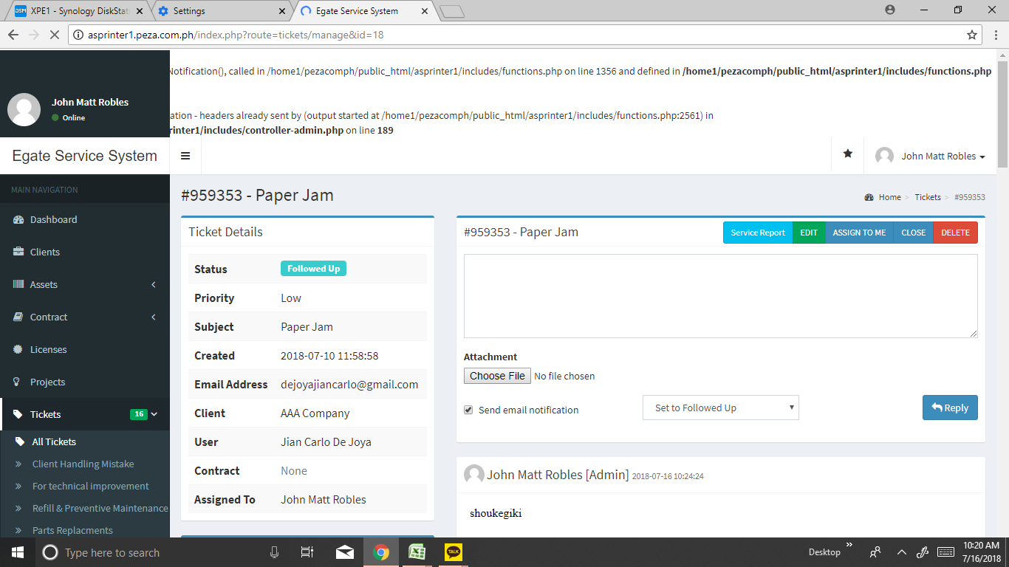

but in the user the reply are free for errors

Sheet2
step 1 check #546130
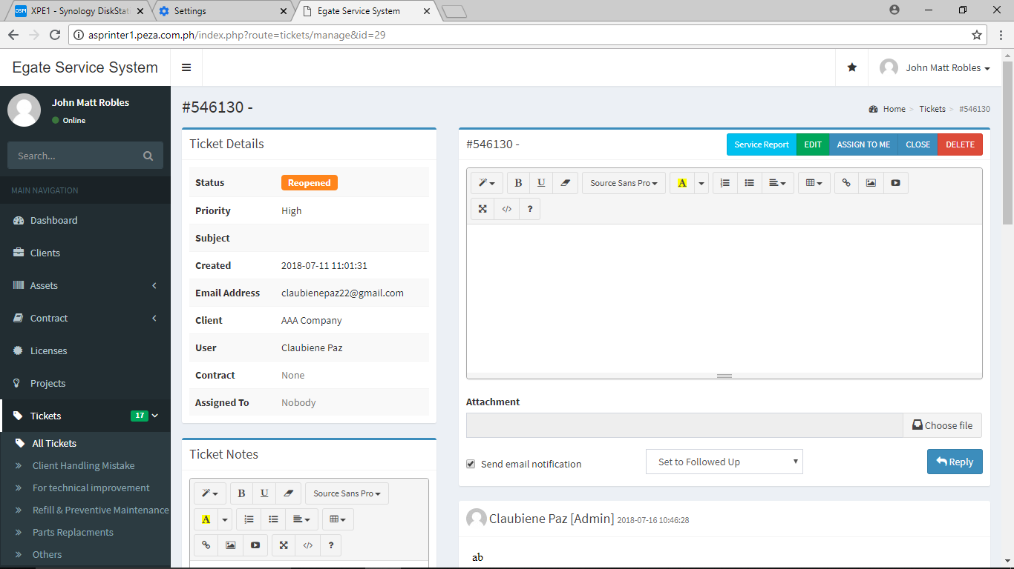

error is the assigned user when replying comments it became an admin

as for AAA company user Bien and Jian also have the same error for being admin even though they are user.

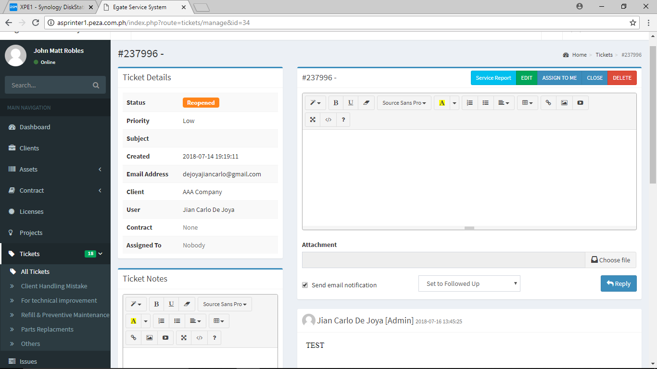

this Error also happen in client user when they are log in, they view the the ticket of the Technician (admin) but view as a user where in the technician view as a Admin not as User

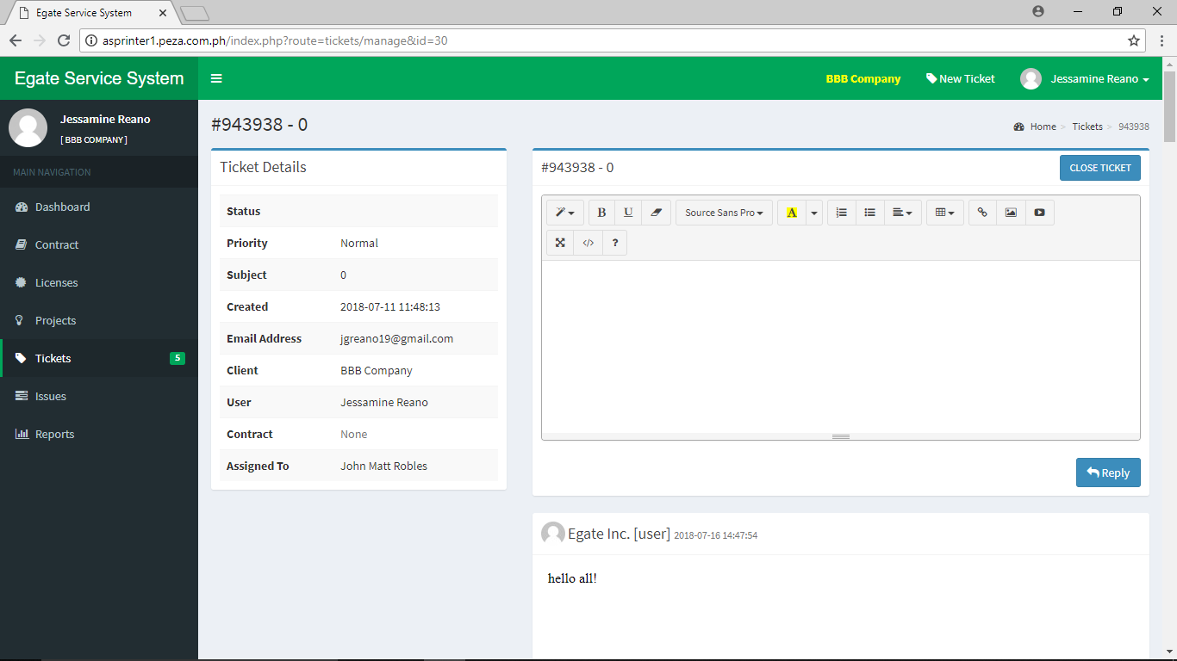

Admin not User

Sheet3

Step 1 the ticket 943938
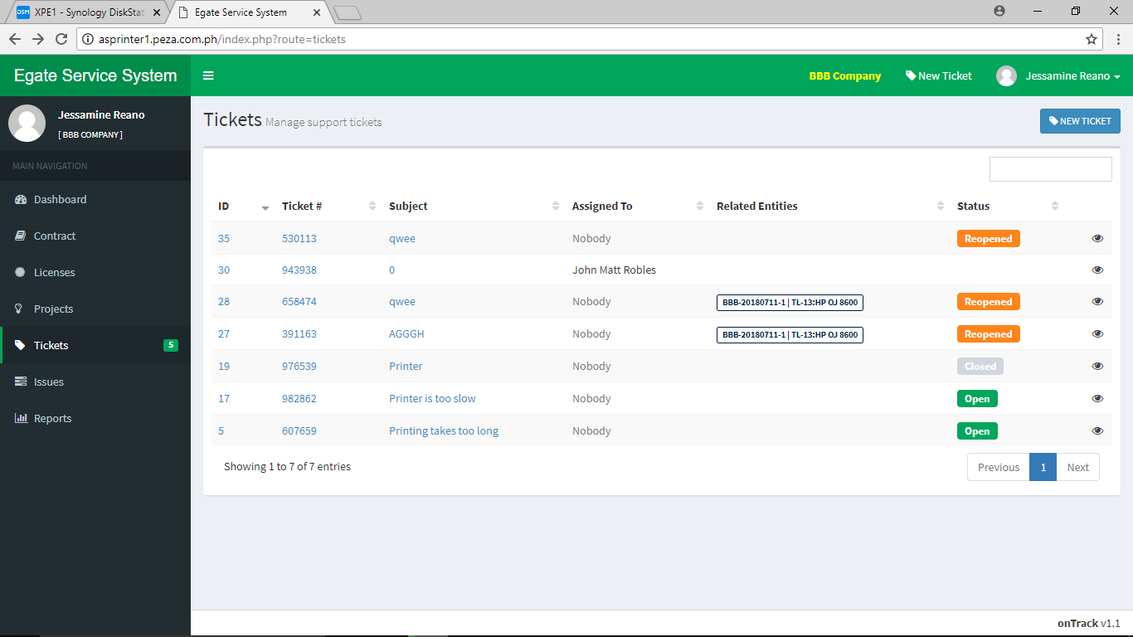

error is there is no status display when the user click the ticket 943938

Sheet4
step 1 go to the contract
step 2 click the assets TL-13 : : HP OJ 8600 : CN33NBVG3S05KC

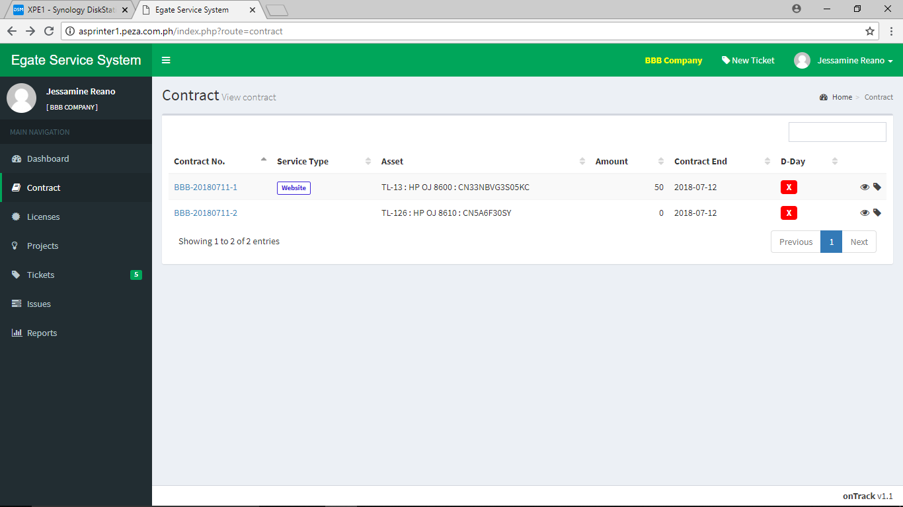

step 3 after going to assets TL-13 : : HP OJ 8600 : CN33NBVG3S05KC
error occurred the 3 command button such as BBB company , New Ticket and profile of the user there is no responds
an also blank page of the assets TL-13 : : HP OJ 8600 : CN33NBVG3S05KC same as the error of assets TL-126 : : HP OJ 8610 : CN5A6F30SY


BLANK PAGES

